About the product
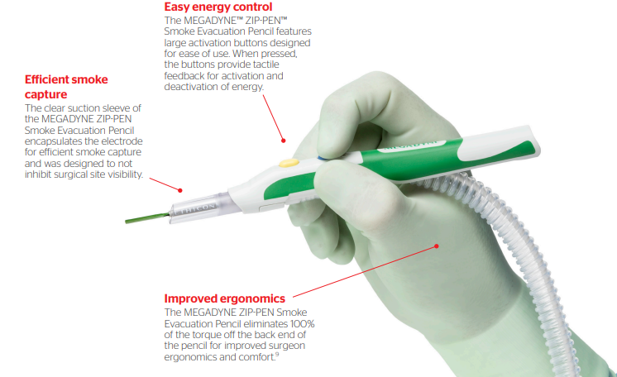
Ace blade 700
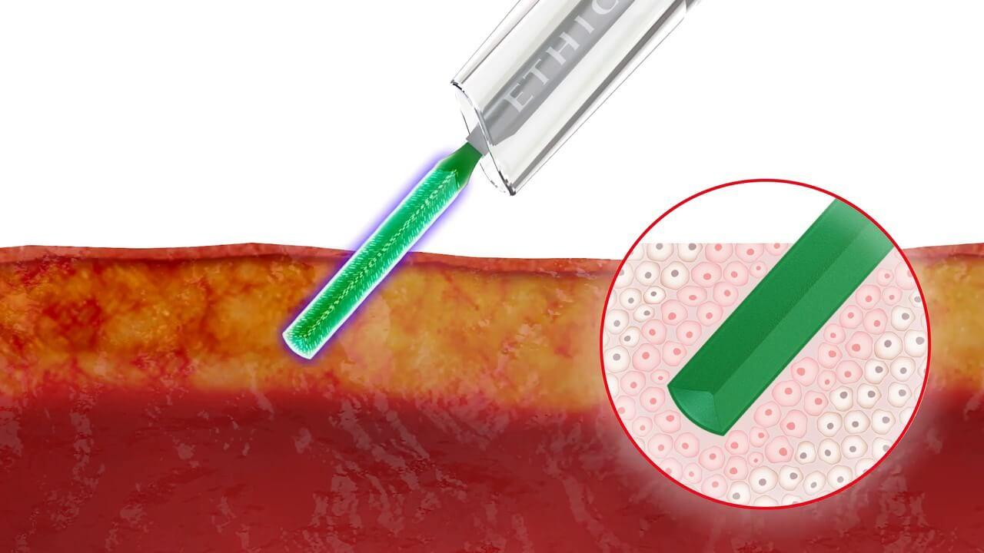
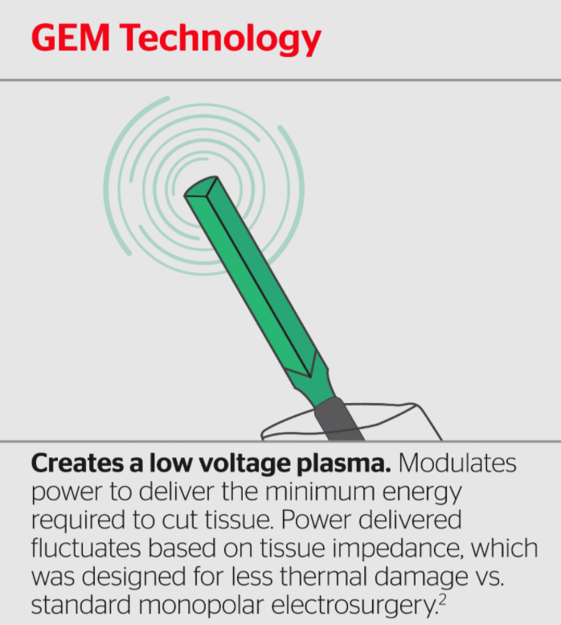
 | 1.Delivered by GEM Technology
 | 2.Significantly less thermal damage than standard monopolar electrosurgery. GEM Technology focuses energy to the tapered edges of the MEGADYNE ACE BLADE 700 Dissector and delivers the minimum power required to cut the tissue.
 | 3.Multifunctional tool can be used for incision, coagulation and dissection. May increase surgical efficiency. MEGADYNE ACE BLADE 700 Dissector can eliminate the need for a surgical scalpel in the OR, removing a risk for sharps injuries.
 | 4.99.6% less surgical smoke than stainless steel monopolar electrosurgery.
 | 5.It can be used for coagulation by pressing the blue COAG button
 | 6.The megadyne ace blade 700 can be bent upto 60 degrees at the tips.
 | 7.Blade is coated with PTFE to reduce eschar(a dry, dark scab or falling away of dead skin, typically caused by a burn, an insect bite, or infection with anthrax.) buildup and to facilitate the removal of eschar with a damp gauze or sponge.

